StarterMotors Library
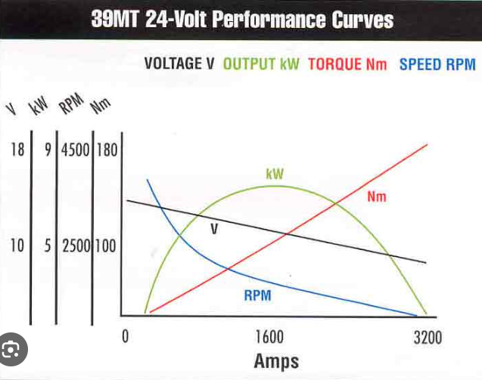
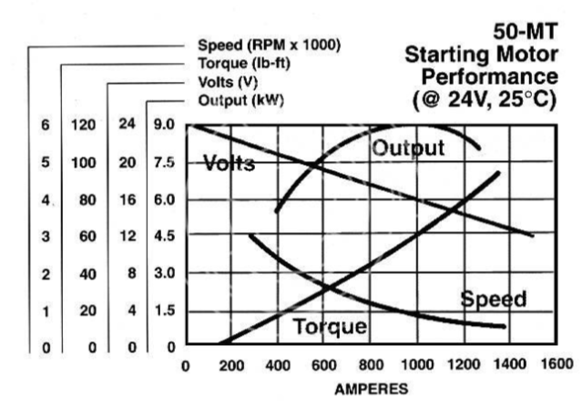
 | Starter Motor | Application | Manufacturer | Model | Link | Manufacturer model | Link | Mech Power (kW) | Motor Eff (%) | Elec power (kW) | Input V | Cranking Current (A)
50MT starter 24V | 150MT,24V | Catapillar C12,C13,C15 Detroit, Mack E7 | Caterpillar | 293-4853: Motor Gp-Ele | https://parts.cat.com/en/catcorp/293-4853 |  |  | 4500 | 0.5625 | 8000 | 15 | 533.33333333
 | 39MT,24V | Caetrpillar C12,C13,C15 Detroit, Mack E7 | Caterpillar | 542-5972: Air Starting Motor | https://parts.cat.com/en/catcorp/542-5972 |  |  | 7300 | 0.5625 | 12977.777778 | 16 | 811.11111111
 | 50MT,24V | Cummins,Detroit,Caterpillar | Caterpillar | 348-7651: Starting Motor Gp-Electric | https://parts.cat.com/en/catcorp/348-7651 |  |  | 7500 | 0.5625 | 13333.333333 | 16 | 833.33333333
 |  |  | Caterpillar | 349-9075: Motor Gp-Ele | https://parts.cat.com/en/catcorp/349-9075 |  |  | 7800 | 0.5625 | 13866.666667 | 16 | 866.66666667
 |  |  | Caterpillar | 357-7354: Motor Gp-Ele | https://parts.cat.com/en/catcorp/357-7354 | 24V, 9kW |  | 9000 | 0.5625 | 16000 | 16 | 1000
 |  |  | Caterpillar | 488-2807 | https://parts.cat.com/en/catcorp/488-2807 | 24V, 7.8kW |  | 11000 | 0.5625 | 19555.555556 | 16 | 1222.2222222
 |  |  | Caterpillar | 10R-0399 | https://parts.cat.com/en/catcorp/10R-0399
 |  |  | Caterpillar | 10R-0400 | https://parts.cat.com/en/catcorp/10R-0400 | 7.3kW, 24V, 42MT?
 |  |  | Caterpillar | 594-8720 | https://parts.cat.com/en/catcorp/594-8720 | 24V, 11kW
 |  |  | Caterpillar | 10R-9816 | https://parts.cat.com/en/catcorp/10R-9816 | 50 MT, 24V, 9kW | https://www.delcoremy.com/starters/find-by-model-family/50mt
 |  |  | Caterpillar | 6V-0885 | https://parts.cat.com/en/catcorp/6V-0885 | 9kW, 24V
 |  |  | Komatsu, Jaylec | 70-7506 | https://automotivesuperstore.com.au/jaylec-70-7506?srsltid=AfmBOoodEubfWCPZoTYth6mQP407kDmt-UF7AvhdG12mjfX67xAjjnD5 | 24V, 11kW
 |  |  | Komatsu, Nikko | NXS9724 | https://www.zivorauto.com.au/nxs9724-nikko-starter-motor-24v-11th-cw-for-komats~5481250 | 24V, 7.5 | https://www.autoelectricalsuperstore.com.au/starter-motors-24-volt/7284-127423-starter-motor-nikko-24-volt-11th-cw.html#/751-make-komatsu/962-model-d375a_5_232l_sa6d170e_ohv_24v_turbo_diesel_direct_inj_6cyl_dozer/19023-year_to-0/19259-year_from-0
 |  |  | Caterpillar | 20R-1312 | https://parts.cat.com/en/catcorp/20R-1312 | 24V, 9kW, 39MT | https://www.vicautoparts.com.au/product/starter-motor-delco-39mt-9-0kw-24v-11t-56mm-cw-suits-caterpillar-c12-c13-c15-detroit-s60-mack-e7-cummins-isx-2/
 |  |  | Caterpillar | 590-4756 | https://parts.cat.com/en/catcorp/590-4756 | 24V, 4.5kW
 |  |  | Caterpillar | 357-5205 | https://parts.cat.com/en/catcorp/357-5205 | 24V, 4kW
 |  |  | Caterpillar | 0R-4316 | https://parts.cat.com/en/catcorp/0R-4316 | 2.7kW, 12V
 |  |  |  |  |  | 24V, 9kW | https://www.rareelectrical.com/i-26899026-new-24v-12t-starter-motor-compatible-with-caterpillar-scraper-621-623-627b-637d-1109998-1990228.html
 |  |  |  |  |  | 24V, 7.5kW | https://www.amazon.com/Rareelectrical-37566-20500-0-23000-7740-0-23000-7741-0-23000-7742/dp/B0094BNL5W
 |  |  |  |  |  | 24V, 8.5kW | https://www.ebay.com.au/itm/305475666734?srsltid=AfmBOooxHZa8bVL_DoY72c6frGGfsL5moMMJ72kPMivkaqXIAdedOJBk
 |  |  | Isuzu | S06-058G | https://www.isuzu.com.au/Media/Isuzu_Files/Spec_Sheets/Current_spec_sheets/FYH_FYJ%20300-350%208x4_ARK1412_v04.pdf | 24V, 5kW | https://auto8.com.au/part/c/10002-electrics/b/auto-8/brand-new-starter-motor-fits-isuzu-npr200-npr250-npr300-npr400-nkr150-nkr200-nps300-elf-4-3l-diesel-engines/S06-058G.html
 |  |  |  |  |  | 24V, 11kW | https://www.rolan.com.au/nikko-starter-24v-11th-11kw-komatsu-pc1250-7-pc1250-8-wa600-3-wa600-6-nik-70-7500g.html?srsltid=AfmBOoq-DNsjZDp6sHNZYKOUM48stVa3WRve2HlgZa7FJ-xLpLyvpJWj
 |  |  |  |  |  | 24V, 7.5kW | https://www.rolan.com.au/nikko-starter-24v-11th-11kw-komatsu-pc1250-7-pc1250-8-wa600-3-wa600-6-nik-70-7500g.html?srsltid=AfmBOoq-DNsjZDp6sHNZYKOUM48stVa3WRve2HlgZa7FJ-xLpLyvpJWj
 |  |  |  |  |  | 24V, 7.5kW | https://www.rareelectrical.com/i-26880200-new-starter-motor-compatible-with-komatsu-dump-truck-hd465-5-600-813-7113-6008137113-0-23000-7770.html
 |  |  | Komatsu |  | https://www.komatsu.jp/en/worldwide/PDF/WA1200-6_CEN00419-01.pdf | 24, 9kW

37 MT 12V
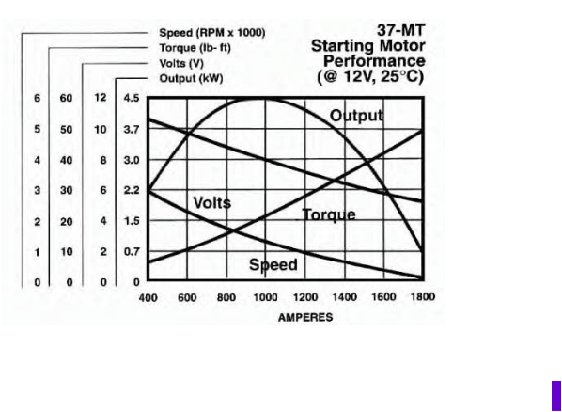

42MT 24V
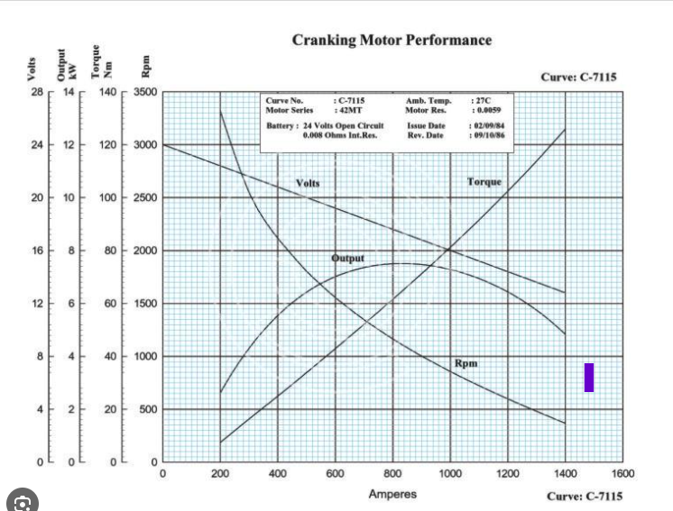

39 MT 12V

MD6250 Project
Torque (Nm) = $\frac{Power(w)∗9.548}{Motor RPM}$
GIVEN/ASSUMPTION |  |  |  |  |  | EQUATIONS
Components | Parameter | Unit | Value
Starter Motor (50MT, unless stated otherwise) | System voltage | V | 24
 | Voltage at peak power/lowest operating voltage (Graph) | V | 16
 | Output Power | kW | 9
Electrical Power (W) = $\frac{\text{Mechanical} \text{Power}\text{ (}\text{W}\text{)}}{Motor Efficiency (\%)}$
 | # of motors | N/A | 2
 | Efficiency of the starter motor at ambient temperature (Assumption) | % | 70
 | Efficiency at cold temperature (worse case) (Assumption) | % | 50
Total Battery Voltage in series (V) = Battery voltage (V) +Battery Voltage (V)
 | Typical cranking Speed (Assumption) | RPM | 180
Cold Cranking Amps (A) = $\frac{Electrical Power (W)}{Total battery voltage (V)}$
 | 150MT Starting torque gear ratio | N/A | 4.3
 | 150MT Gearing efficiency in cold climate (Assumption) | % | 70
 | Motor Constant (Assumption) | NM/A | 0.1
Drill Engine | Type | N/A | C27
 | Engine Displacement | L | 27.03
 | Engine Efficiency | % | 60
Fuse rating = 125% * Cold Cranking Amps (A)
 | Compression Ratio | N/A | 16.5
 | Starter motor configuration | N/A | Parallel
Load | Percentage of Starter Torque (Assumption) | % | 80
Torque required to overcome engine's compression (Nm) = Engine Displacement (L) * Compression Ratio
Fuse | Fuse rating gain (Assumption) | % | 125
Battery | Type | N/A | n200
Torque required to overcome parasitic load + hydraullic pumps (Nm) = 80% * Two Starter Motor torque (Nm)
 | Voltage | V | 12
 | # Series | N/A | 2
$Total Load Torque \left(Nm\right)= \text{Torque} \text{required} \text{to} \text{overcome} \text{engine}\text{′}\text{s} \text{compression}\text{ (}\text{Nm}$) +Torque required to overcome parasitic load + hydraullic pumps (Nm)
 | Total voltage | V | 24
 | Cranking Amps | A | 1200
Cabling | Size | mm2 | 107 |  |  | Load Current = Load torque /(Motor constant * Motor voltage)
 | Guage | ga | 4/0 or 0000

CALCULATION |  |  | 16 volt
Components | Parameter | Unit | 1X50MT | 2x50MT
Starter motor | Mechanical Power at peak torque | kW | 4 | 8
 | Total output torque available | Nm | 200 | 400
 | Total Electrical Power required at ambient temp | kW | 3 | 11
 | Total Electrical Power due to cold temperature | kW | 8 | 16
 | Cranking amps at ambient temperature (Graph) | A | 1000 | 2000
 | Cranking amps at cold temperature | A | 1500 | 3000
Fuse | 125% of the peak current during ambient temp | A | 1250 | 2500 | This needs to change to the safety margin and needs to 125% of the load current demand and not peak. We need it to break the circuit before or close 80% of the peak value
 | 125% of the peak current during cold temp | A | 1875 | 3750

 | 50-MT starting motor performance graph

 | Source:
https://www.google.com/url?sa=i&url=https%3A%2F%2Fwww.deer-online.com%2Fstarter-remy-10478888-art-en_10478888_dre&psig=AOvVaw25ErWACyqzg7kcuguJX9pA&ust=1715735593188000&source=images&cd=vfe&opi=89978449&ved=0CBIQjRxqFwoTCMiS4rD7i4YDFQAAAAAdAAAAABAE

